CLP Elec Sale
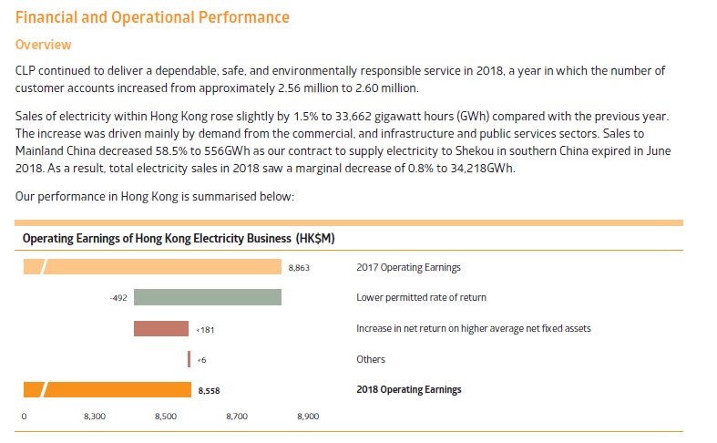
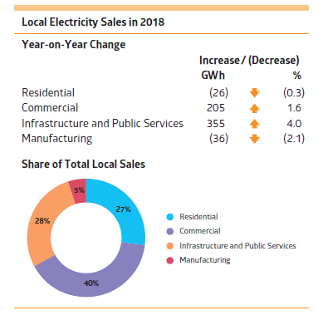
CLP's Electricity Sale in HK
Electricity Sales |  |  |  |  | Source: CLP Home > Investors Information > Quick Facts > Investor Introductory Pack
Electricity Sale (GWh) | 2018 | 2017 | Change |  | https://www.clpgroup.com/en/Investors-Information-site/Anaylst%20Brief%20Document/CLP%20Holdings%20Introductory%20Pack.pdf
Residential | 9,191 | 9,217 | -0.30%
Commercial | 13,425 | 13,220 | 1.60%
Manufacturing | 1,704 | 1,740 | -2.10%
Infrastructure & Public Services | 9,342 | 8,987 | 4.00%
Total Local Sales | 33,662 | 33,164 | 1.50%
Export Sales | 556 | 1,341 | -58.50%
Total Sales | 34,218 | 34,505 | -0.80%

输电配电系统Transmission & Distribution Network |  | 2018资产表现数据 2018 Asset Performance Statistics
营运Operation | Unit | 2018 | 2017 | 2016 | 2015 | 2014 | 2013
輸電及供電流失Transmission & distribution loss | GWh百万度 | 1262 | 1321 | 1365 | 1411 | 1467 | 1351
輸電及供電流失Transmission & distribution loss | % | 3.60% | 3.80% | 3.90% | 4.10% | 4.30% | 4.10%
營運地點耗電量Electricity used onsite | GWh百万度 | 17 | 18 | 18 | 19 | 20 | 20

Monthly analysis of electricity sales
Feb 2019 | Millions of kWh | Percentage change overprevious year (%) |  |  | Source: CLP HK Home > Community & Environment > Green Tools > Electricity Sales
Local total | 2,080.98 | 0.5 |  |  | https://www.clp.com.hk/en/community-and-environment/green-tools/electricity-sales
Sales to the Mainland | 0 | -100 |  |  | Comment: The annual electricity sales in HK is about 12 times of the single month's sale, which gives us further confidence on the validity of data source.
System total | 2,080.98 | -2.1

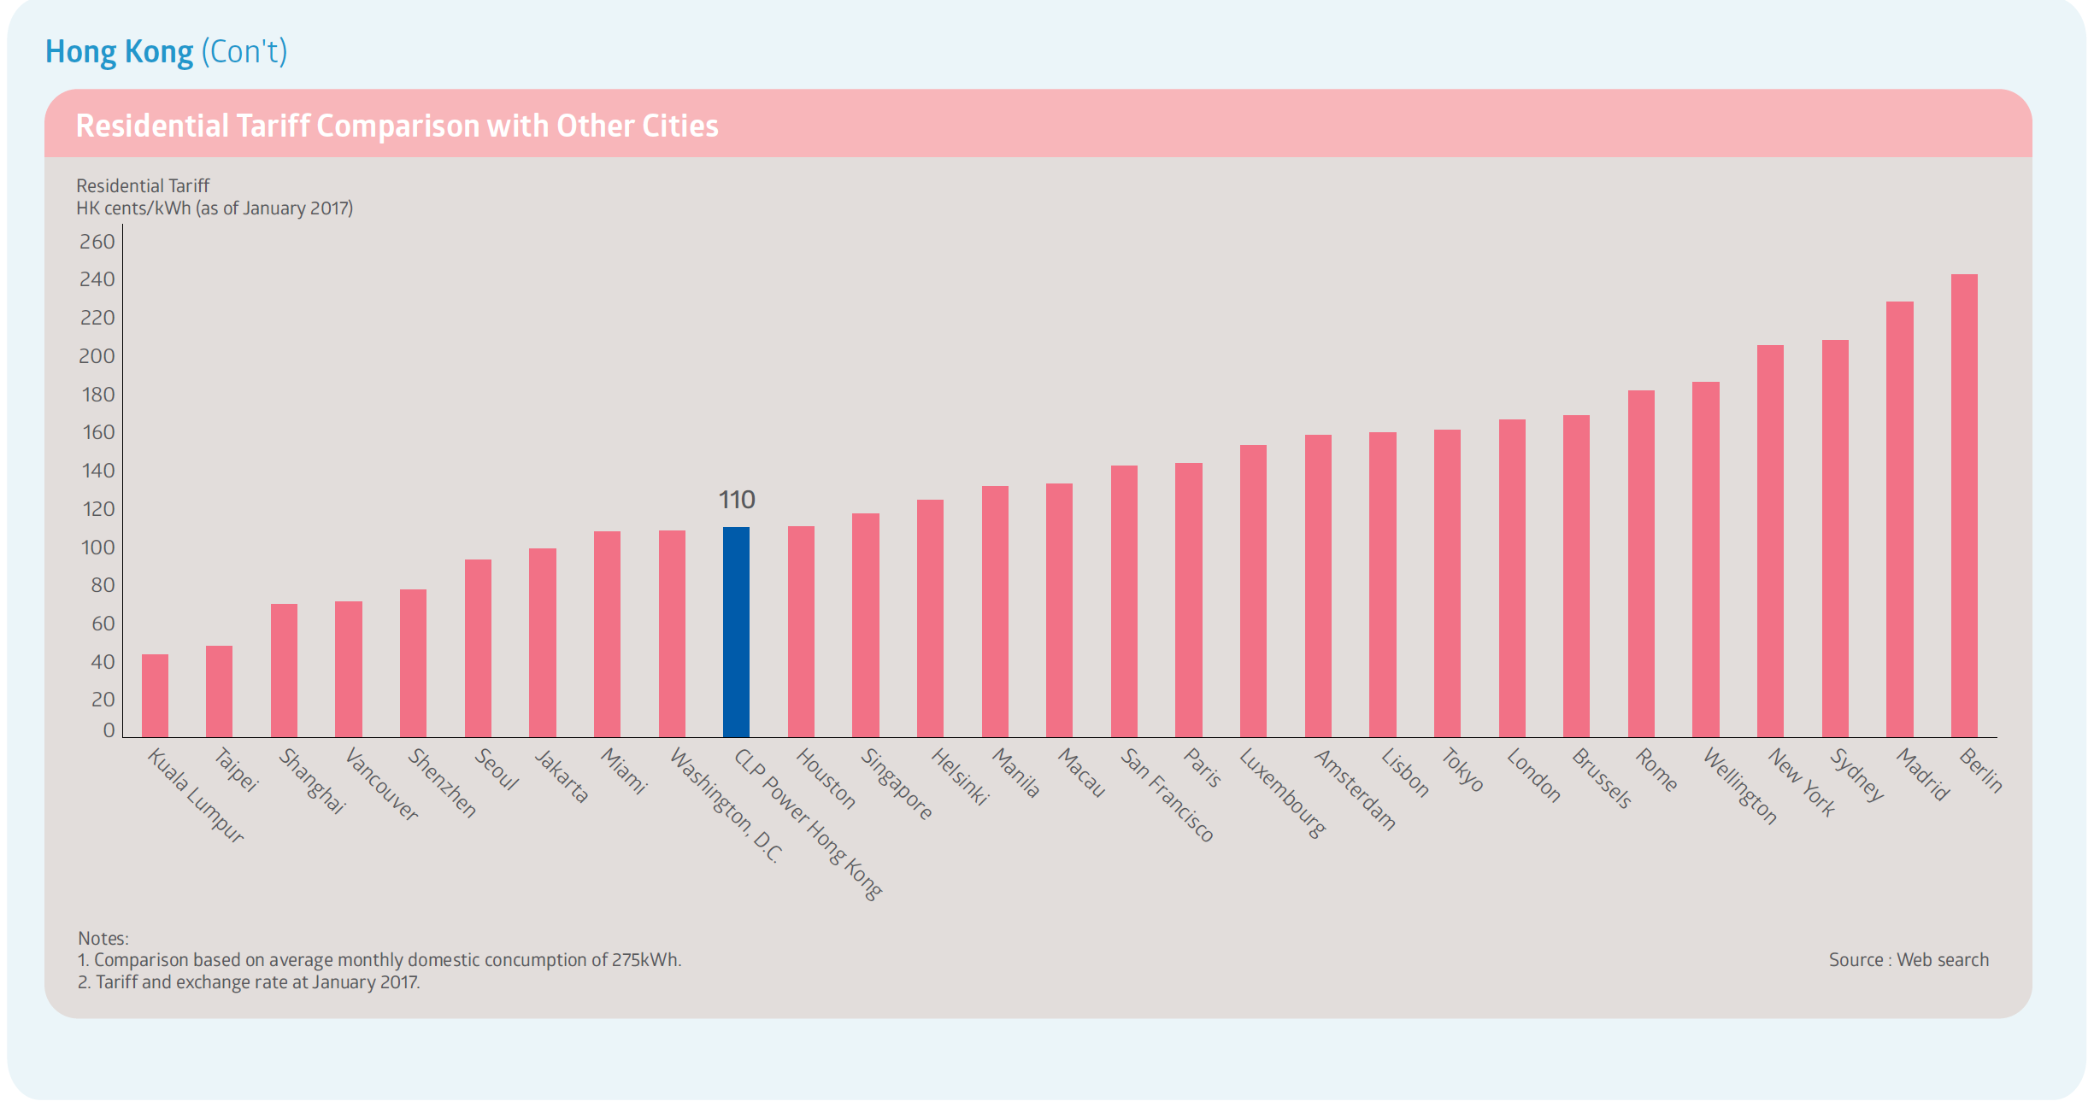
Hong Kong's Tariff |  |  |  |  | Source: CLP 2016 SR
 |  |  |  |  | https://www.clpgroup.com/en/sustainability/sustainability-reports

Electricity Sale Information |  |  |  |  | Source: 2018 Annual Report (see screenshot below)
Indicator | Unit |  |  |  | https://www.clpgroup.com/en/investors-information/financial-reports/our-reports
Customer No. in HK | Million | 2.6
Increase in 2018 electricity sales 2018售电量上升 | - | 1.50%
2018/10/1 Lower the basic electricity price by 下调基本电价 | - | 3.70%
2018 Electricity Export to Mainland, China | Mil.kWh | 556.00% | Which is-58.5% compared to the last year, because the contact with Shekou, China has expired ini June 2018

